Request
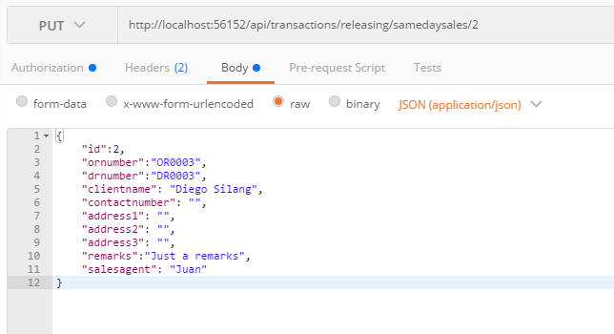
Parameter | Data Type | Length | Required | Unique | Remarks
Token | String |  | Yes |  | Bearer Token see AuthenticateAPI docu
Id | Int |  | Yes |  | STSales.Id
ORNumber | String |  | Yes
DRNumber | String
ClientName | String |  | Yes
ContactNumber | Int
Address1 | String
Address2 | String
Address3 | String
Remarks | String
SalesAgent | String |  | Yes

Example

Response
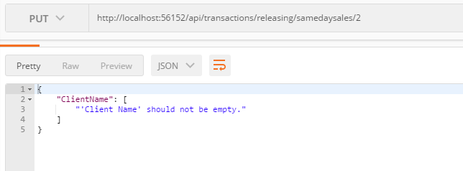
With Error

